Cvr
 |  |  | AUTOMATIC TRAFFIC COUNT
NE to SW
SW to NE |  |  | CLIENT | Cllr Ferrari

PROJECT No. |  | DC5117 |  | JOB No. | #### |  | SITE No. |  | 3134

LOCATION | : | PLAISTERS LANE, SUTTON POYNTZ

ROAD | : | C915 |  |  | SPEED | : | 30

GRID EASTING | : | 370451 |  |  | NORTHING | : | 083892

COUNT TYPE | : | VOLUME / CLASS / SPEED

DIRECTION |  |  |  |  | 5 DAY AV. | 7 DAY AV. |  | 7 DAY AV. |  | 7 DAY AV.
 |  |  |  |  | FLOW | FLOW |  | 85%ILE |  | MEAN
1 | : | SOUTHBOUND |  |  | 342 | 310 |  | 26.7 | mph | 21.8 | mph
2 | : | NORTHBOUND |  |  | 329 | 298 |  | 24.9 | mph | 20.0 | mph

START DATE |  | : | 2017-09-18
END DATE |  | : | 2017-09-24

NOTES | :

PLAN | :

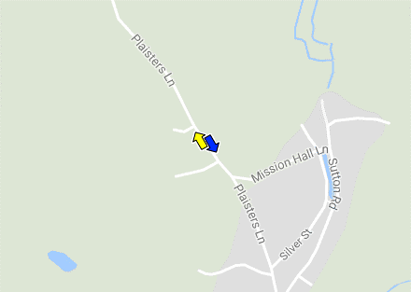

SURVEYS CONDUCTED FOR EXTERNAL CLIENTS ARE NOT FOR GENERAL USE OR DISPERSAL

